Chapter 5
Ross, Westerfield, Jaffe, and Jordan's Spreadsheet Master
Corporate Finance, 11th edition
by Brad Jordan and Joe Smolira
Version 11.0

Chapter 5

In these spreadsheets, you will learn how to use the following Excel functions:

NPV
XNPV
AND
ABS
MAX
COUNTIF
IRR
XIRR
MIRR

The following conventions are used in these spreadsheets:

1) Given data in blue
2) Calculations in red

NOTE: Some functions used in these spreadsheets may require that
the "Analysis ToolPak" or "Solver Add-In" be installed in Excel.
To install these, click on the File tab
then "Excel Options," "Add-Ins" and select
"Go." Check "Analysis ToolPak" and
"Solver Add-In," then click "OK."

Section 5.1
 | Chapter 5 - Section 1
 | Why Use Net Present Value?

We previously used the net present value function to find the present value of unequal cash flows. Now, you know exactly what net present value means: The present value of all outflows, plus the present value of all inflows. Unfortunately, as we will see, computer programmers don't understand net present value.

Suppose we have a project with the following cash flows and required return. What is the NPV of the project?

 | t | Cash flow
 | 0 | $(30,000)
 | 1 | 8,000
 | 2 | 10,000
 | 3 | 11,000
 | 4 | 17,000
 | 5 | 12,000

 | Return: | 12%

 | NPV: | $10,557.31

RWJ Excel Tip
To calculate the NPV of the project using the NPV function, we entered the following:
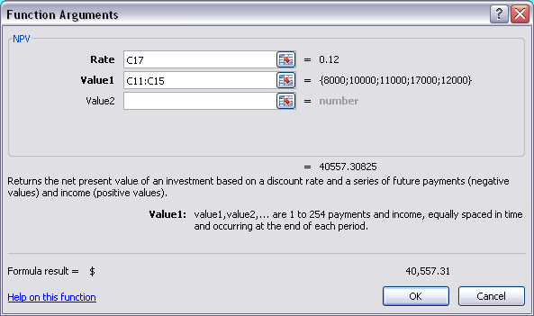

Notice one very important thing: We did not include the cash flow at time 0 in the NPV function. The reason is simple. When the programmers created the NPV function, they did not truly create a function that calculated the NPV, but rather created a function that calculated the present value of cash flows. So, to calculate the NPV of a series of cash flows, we use the NPV function to calculate the present value of the cash flows beyond time 0, then add the cash flow at time zero to the result. To see how we did this, simply go to the NPV cell above.

NPV and Cash Flows at Irregular Intervals

The NPV function does not really calculate the NPV of a set of cash flows, and it also has a potential problem in that the implicit assumption used by Excel is that the cash flows occur at regular intervals. If the cash flows occur at irregular intervals, we need to use the XNPV function. The XNPV function has an additional argument, namely the date for each cash flow. Suppose we have the following set of cash flows and required return. What is the NPV of the cash flows?

 | t | Cash flow
 | 2015-02-23 | $(50,000)
 | 2015-08-24 | 14,000
 | 2016-03-05 | 8,000
 | 2016-11-02 | 23,000
 | 2017-06-05 | 18,000
 | 2017-12-18 | 19,000

 | Return: | 11%

 | NPV: | $18,091.99

RWJ Excel Tip
To calculate the NPV of the project using the XNPV function, we entered the following:
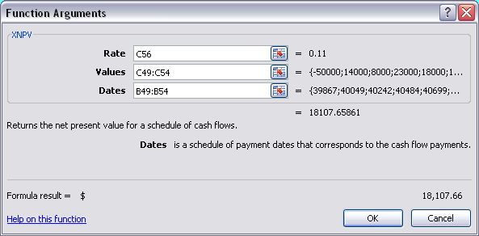

With the XNPV function, you need to include the first cash flow. The NPV of the cash flows will be on the date of the first cash flow.

Section 5.4
 | Chapter 5 - Section 4
 | The Internal Rate of Return

The internal rate of return (IRR) is the rate of return for a series of cash flows that results in a zero NPV. Excel's IRR function easily computes the IRR for a series of cash flows.

What is the IRR for the project with the following cash flows?

 | t | Cash flow
 | 0 | $(30,000)
 | 1 | 8,000
 | 2 | 10,000
 | 3 | 11,000
 | 4 | 17,000
 | 5 | 12,000

 | IRR: | 24.01%

RWJ Excel Tip
To use the IRR function, we entered the following:
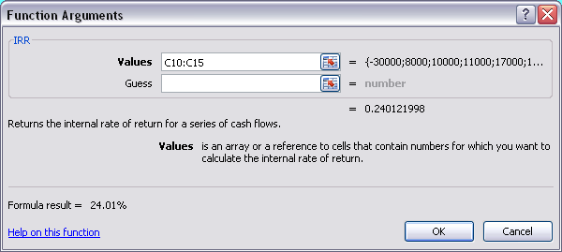

Notice that we need to include the first cash flow in the Values argument for IRR. We left the Guess argument blank. Excel uses an algorithm to repeatedly change the interest rate until it finds an interest rate that generates a zero NPV. If you enter a starting value for the Guess argument, Excel will begin its calculations at that value. In general, it is unnecessary to enter a value for this argument, although as we will see later, when you want to find multiple IRRs, the Guess argument can be useful.

IRR and Cash Flows at Irregular Intervals

Suppose you have cash flows that occur at irregular intervals. The standard IRR function assumes that cash flows occur at regular intervals. In this case, we need to use the XIRR function. Suppose you have the following set of cash flows. What is the IRR?

 | t | Cash flow
 | 2015-02-23 | $(50,000)
 | 2015-08-24 | 14,000
 | 2016-03-05 | 8,000
 | 2016-11-02 | 23,000
 | 2017-06-05 | 18,000
 | 2017-12-18 | 19,000

 | IRR: | 33.31%

RWJ Excel Tip
To calculate the IRR of the project using the XIRR function, we entered the following:
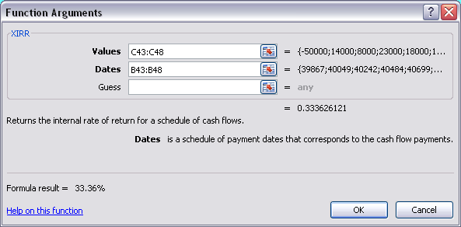

As with the IRR function, Guess is an argument that will make Excel begin its calculations at the value entered.

NPV Profile

The NPV profile is a graphical representation of the NPV of a project for different interest rates. We will graph the NPV profile of the following project:

 | t | Cash flow
 | 0 | $(30,000)
 | 1 | 8,000
 | 2 | 10,000
 | 3 | 11,000
 | 4 | 17,000
 | 5 | 12,000

To construct the NPV profile, we will first need a table with the project's NPV at different interest rates:

 | Return | NPV
 | 0% | $28,000.00
 | 5% | 19,579.81
 | 10% | 12,863.94
 | 15% | 7,436.56
 | 20% | 2,997.69
 | 25% | (672.64)
 | 30% | (3,738.05)
 | 35% | (6,321.92)
 | 40% | (8,518.47)

NPV Profile

All projects with conventional cash flows will have a downward sloping NPV profile similar to this.

Section 5.5
 | Chapter 5 - Section 5
 | Problems with the IRR Approach

Problem 1: Investing or Financing?

The use of the IRR decision rule becomes problematic when the cash flows resemble a loan. Consider the following project.

 | t | Cash flow
 | 0 | $25,000
 | 1 | (10,000)
 | 2 | (11,000)
 | 3 | (12,000)

The IRR of this project is:

 | IRR: | 14.77%

The IRR decision rule implies that we should accept projects when the IRR is greater than the required return. So, this project looks acceptable for any required return less than the IRR. However, the NPV profile for the project looks like this:

 | Return | NPV
 | 0% | $(8,000.00)
 | 5% | (4,867.18)
 | 10% | (2,197.60)
 | 15% | 96.57
 | 20% | 2,083.33
 | 25% | 3,816.00
 | 30% | 5,336.82

NPV Profile

With loan-type cash flows, the NPV increases as the interest rate increases. The standard IRR decision rule cannot be used in such cases.

Problem 2: Multiple Rates of Return

Excel uses an algorithm to calculate the IRR of a set of cash flows. Because the algorithm always starts at the same point, it will always arrive at the same IRR. Generally, this is not a problem, but with multiple IRRs we may want to find both IRRs. In this case, we can use the guess argument to try to find multiple IRRs. Suppose we have the following set of cash flows:

 | t | Cash flow
 | 0 | $(50,000)
 | 1 | 25,000
 | 2 | 29,000
 | 3 | 41,000
 | 4 | 32,000
 | 5 | (35,000)

We would expect two IRRs. Using the IRR function without using the Guess argument, we find:

 | IRR: | 39.13%

Now we will use the Guess argument to find what the other IRR is:

 | IRR: | -44.59%

RWJ Excel Tip
In the second IRR cell, we entered:
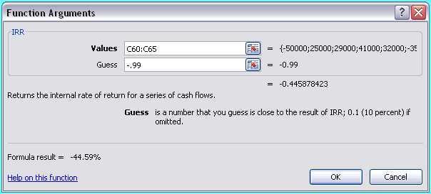

We entered -.99 (or -99%) as the starting point for Excel. Why did we enter -99%? It was a guess! But, it also is a long way away from the first IRR that Excel calculated. If Excel had returned the same IRR, we would have tried 99% next.

We can graph the NPV profile for this project as well. The NPV profile will look like this:

NPV Profile with Multiple IRRs
 | Return | NPV
 | -50% | $(164,000.00)
 | -45% | (7,975.42)
 | -40% | 58,847.74
 | -35% | 84,011.95
 | -30% | 89,462.72
 | -25% | 85,720.16
 | -20% | 77,954.10
 | -15% | 68,732.59
 | -10% | 59,321.92
 | -5% | 50,324.30
 | 0% | 42,000.00
 | 5% | 34,433.78
 | 10% | 27,622.31
 | 15% | 21,520.38
 | 20% | 16,065.46
 | 25% | 11,190.40
 | 30% | 6,829.92
 | 35% | 2,923.56
 | 40% | (583.09)
 | 45% | (3,738.29)
 | 50% | (6,584.36)
 | 55% | (9,158.27)
 | 60% | (11,492.16)

The Modified Internal Rate of Return (MIRR)

Excel does have a built-in function to calculate the MIRR, but we work through the MIRR calculation for each method manually first. Suppose we have a project with the following cash flows, reinvestment rate, and discount rate:

 | t | Cash flow
 | 0 | $(12,000)
 | 1 | 5,800
 | 2 | 6,500
 | 3 | 6,200
 | 4 | 5,100
 | 5 | (4,300)

 | Discount rate: |  | 11%
 | Reinvestment rate: |  | 8%

With the discounting approach, we discount all negative cash flows to the beginning of the project. In order to have Excel discount only negative cash flows, we can use an IF statement for each cash flow as follows. Notice that the equation at time 0 is not a nested IF, but simply a series of IF statements that calculates the present value of each cash flow if the cash flow is negative, otherwise it returns a value of 0 to be added in to the cash flow. Once we get these modified cash flows, we can simply calculate the IRR of these cash flows.

 | Discounting approach:
 | t | Cash flow
 | 0 | $(14,551.84)
 | 1 | 5,800.00
 | 2 | 6,500.00
 | 3 | 6,200.00
 | 4 | 5,100.00
 | 5 | -

 | MIRR: | 23.08%

With the reinvestment approach, we simply find the future value of all cash flows except the cash flow at time 0 at the end of the project and then calculate the IRR of the two remaining cash flows. Doing so, we find that the MIRR using the reinvestment approach is:

 | Reinvestment approach:
 | t | Cash flow
 | 0 | $(12,000.00)
 | 1 | -
 | 2 | -
 | 3 | -
 | 4 | -
 | 5 | 24,518.64

 | MIRR: | 15.36%

We should note that to have Excel accurately calculate the IRR of these modified cash flows, the intermediate cash flows must be entered as 0, not left blank.

For the combination approach, we need to find the present value of all negative cash flows at time 0, the future value of all positive cash flows at the end of the project, then find the IRR of the modified cash flows. Again, we can use a series of IF statements to test whether each cash flow is negative or positive. So, the MIRR using the combination approach is:

 | Combination approach:
 | t | Cash flow
 | 0 | $(14,551.84)
 | 1 | -
 | 2 | -
 | 3 | -
 | 4 | -
 | 5 | 28,818.64

 | MIRR: | 14.64%

As we mentioned earlier, Excel does have a built-in MIRR function. Using the MIRR function, the MIRR is:

 | MIRR: | 14.64%

What method is Excel using to calculate the MIRR? Of course, remember that Excel was written by computer programmers, so the method that Excel uses is not necessarily more correct, just the method the programmers selected.

RWJ Excel Tip
To use the MIRR function, we entered the following:

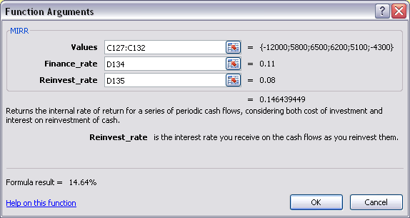

The Values are the cash flows, the Finance_rate is the discount rate, and the Reinvest_rate is the reinvestment rate.

Mutually Exclusive Investments and Incremental IRR

Even when there is a single IRR, it is not possible to rank projects according to IRR. In other words, the project with the highest IRR is not necessarily the best project. When comparing two mutually exclusive investments, we may want to know the crossover rate, that is, the interest rate that makes the NPV of the two projects equal. Below we have the cash flows for two projects:

 | t | Investment A | Investment B
 | 0 | $(100,000) | $(110,000)
 | 1 | 35,000 | 38,000
 | 2 | 29,000 | 36,000
 | 3 | 29,000 | 30,000
 | 4 | 29,000 | 29,000
 | 5 | 20,000 | 21,000

 | IRR: | 14.07% | 13.73%

To find the crossover rate, we calculate the incremental cash flows of the larger project, that is, subtract the cash flows of the smaller project from the cash flows of the large project. Notice we used an IF statement to makes sure the cash flows below are always the larger project minus the smaller project. So, the incremental cash flows from the larger project are:

 | t | Incremental cash flows
 | 0 | $(10,000)
 | 1 | 3,000
 | 2 | 7,000
 | 3 | 1,000
 | 4 | -
 | 5 | 1,000

The crossover rate, or incremental IRR, is the IRR of these incremental cash flows, or:

 | Crossover rate: | 9.36%

We can create a table to show the NPV of each project at different interest rates and graph the NPV profile of each project. Doing so, we get:

 | R | Investment A | Investment B
 | 0% | $42,000.00 | $44,000.00
 | 5% | 24,217.37 | 25,071.09
 | 10% | 9,799.07 | 9,683.70
 | 15% | (2,044.70) | (2,988.31)
 | 20% | (11,889.15) | (13,547.45)
Net Present Value for Mutually Exclusive Investments

Crossover point

